Onshore wind
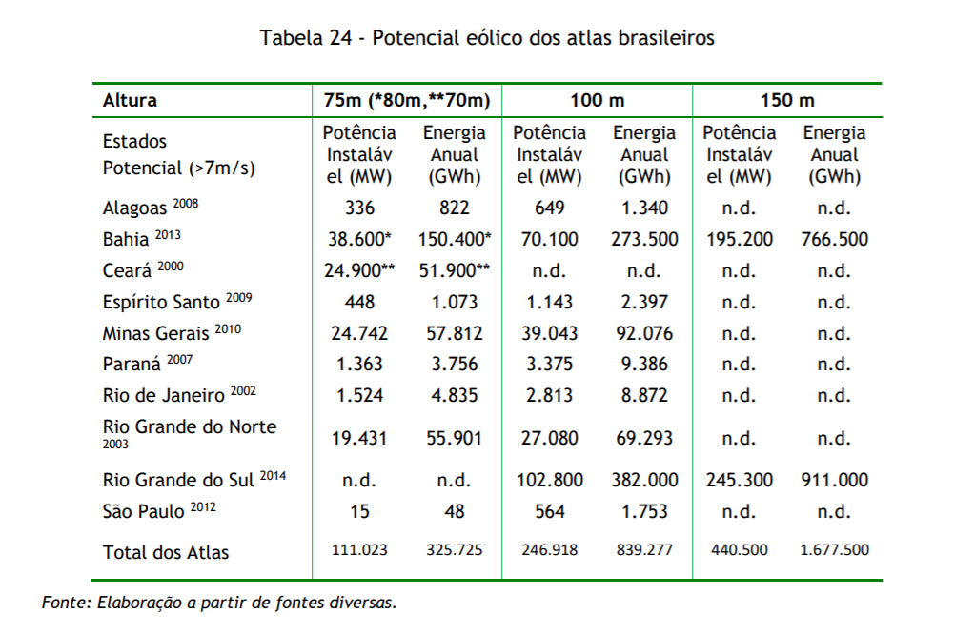
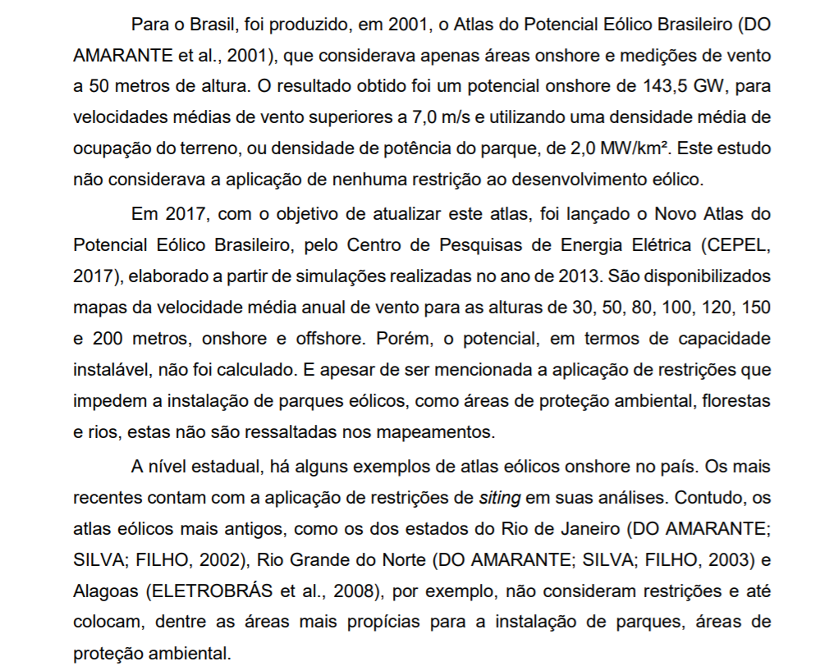

 | GW | MW
Old estimations | 143.5
New estimations | 246.9
Mean | 195.2 | 195200

Hydro
Hydro (apresentação interna número 9)
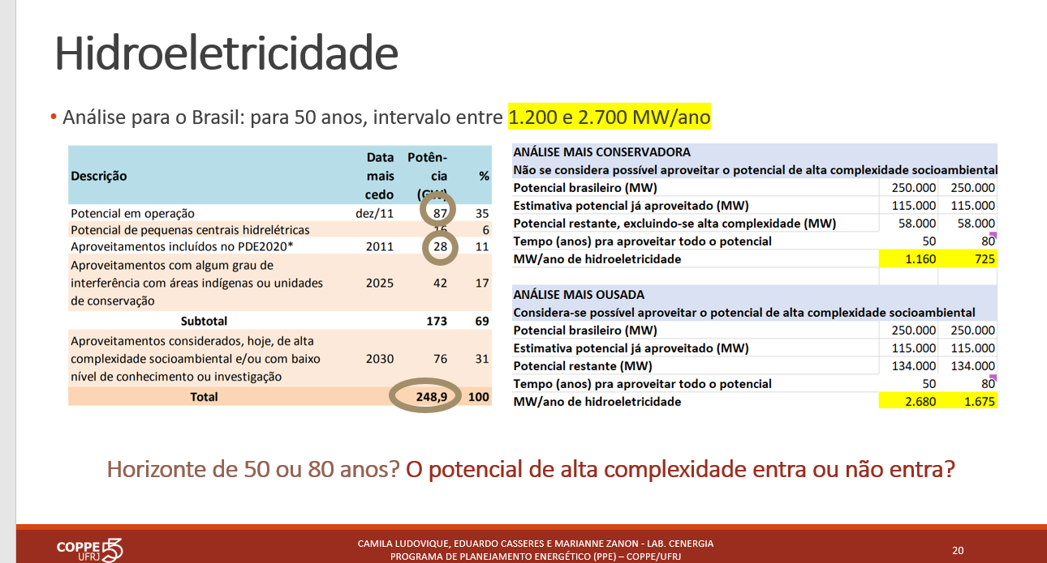

 |  | 248.9
 |  | 76
 | GW | 172.9
 | MW | 172900

Solar
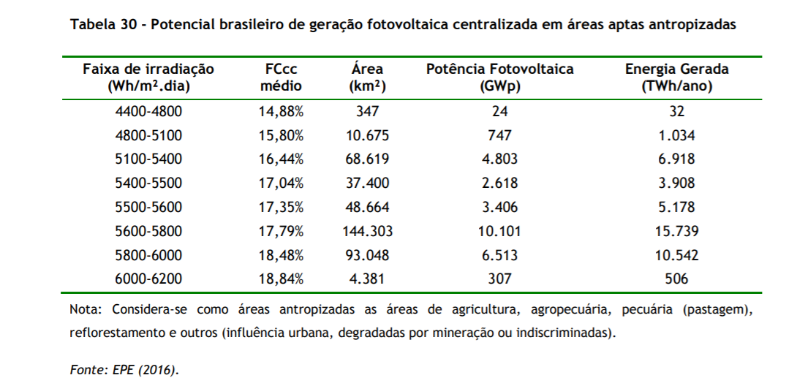
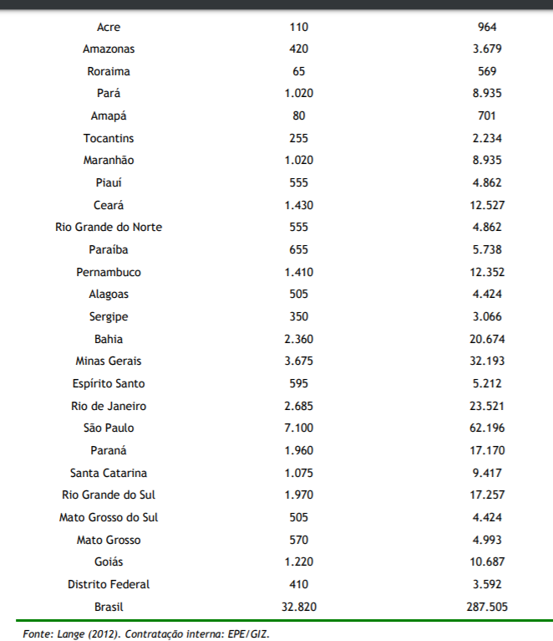
 | MW
Residential | 32820
Centralized | 307000
Total | 339820

 | GWp
 | 24
 | 747
 | 4803
 | 2618
 | 3406
 | 10101
 | 6513
 | 307
Total | 28519 | 28519000

Biomass
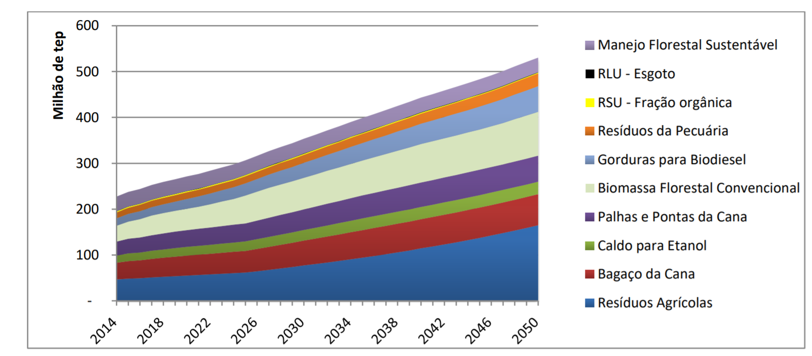
 | Mtep | MGWh | GWh | Efficiency | GWmed
2050 | 520 | 6.047 | 6046511.6279 | 0.35 | 241.58436869

MSW
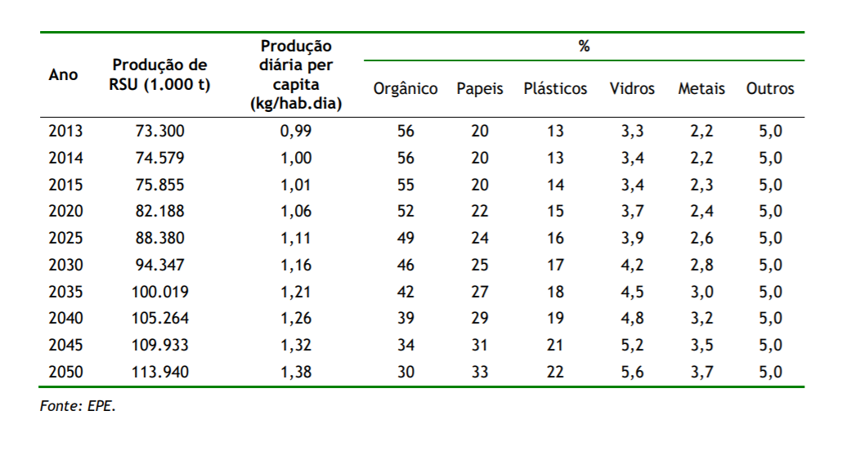
Tonnes MSW 2050 | 1.14E+08
GJ/t | 18
GJ 2050 | 2052000000
Seconds | 31536000
GWmed 2050 | 65.068493151
Mwmed 2050 | 65068.493151

Solar thermal
